Sheet1
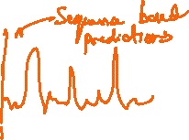
Time Series Modelling(TSM)
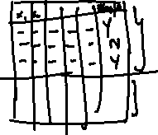
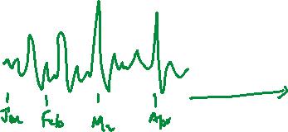
Time Series: Anything which is changing wrt time. Note: X-axis should always be time Eg. Sales, Stock Prediction, Weather Forecasting, Score Prediction

Difference between ML/DL/NLP Vs TSM ML,DL,NLP - ther would predict anything without a sequence. Ie, Instance based predictions. TSM - It would make predictions only for the time based events/sequential events.

Goal of Forecasting "We have to carefully collect and rigurously study the past observations of a time series to develop an approximate model(clear and proper) which describes the inherent structure of the time series. This model is then used to generate future values of the series . ie, to make forecasts".

Different Forecasting Models 1. Model Based Forecasting techniques 2. Data Driven Forecasting techniques

Characteristics of Time Series Modelling
4 Major Components of a Time Series Modelling 1. Trend - Upward/Downward/stable. Ie, We need to know how exactly the trend is growing. 2. Cyclicity - Repeating up and down movements. 3. Seasonal - Regular patterns of up and down movements/fluctuations. 4. Irregular - Any uneven circumstances/Unpredictable influences. |  | 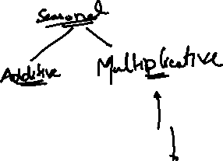

 | Time Series Analysis | Time Series Forecasting
 | No prediction/No forecasting We are going to only check the trend, cyclicity, seasonility, Irregularity. | TSM is nothing but here we are using a model to predict future values based on previous observed values.
 | Inorder to do the analysis, we can go with Boxplot, histograms, Line Charts, etc., | Inorder to do the prediction, Line Chart would be the best option.

Effect of Aspect Ratio(Width Vs Hieght) Streching/Expanding the width 4 times, inorder the understand the pattern. Basically, if width is 4 times hgherr than hieght, we can find patterns.

Resampling and Interpolation Upsampling - Converting low freq data points - high freq data. Downsampling- Converting high freq data points - low freq data. With the help of Interpolation we can achieve Resampling.

Why Transformation techniques? To remove the noise in the dataset. Dataset need to be corrected before building the model. - Square root Transformation - Log Transformation

Time Series Modeling
NAÏVE Forecasts: It says tomorrow's temperature would be today's temperature.
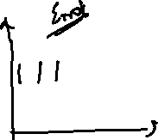
Error plots: Inorder to understand the errors. Note: "If there is no pattern, our prediction/forecasting is considered to be good. If there is a pattern, the model prediction/Forecasting is not good. Ie, Naïve Forests".

Model based Methods
1. Linear Model: When the data is linear trend.

2. Exponential Model:

3. Quadratic Model

4. Additive Seasonality We will create dummy variabke for each month and do the predictions

5. Additive Seasonality with Quadratic Trend
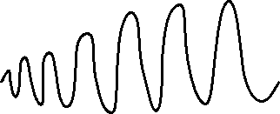
6. Multiplicative Seasonality

Data Driven Forecasting techniques

NAÏVE Forecasts: It says tomorrow's temperature would be today's temperature.

Simple Average: We take the average of the previous datapoints and do the forecasting. But it wont be accurate all the time.

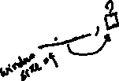 Moving Average Smoothing : To remove the noise/fine tune the dataset+ - removes unwanted fluctuations and improve the signal. 1. Centered MA 2. Trailing MA Drawback of MA If there is a trend and seasonility in your data, then MA methods wont be the right choice as it's averaging the trend. Because, if I'm taking an average for seasonality or the trend, I wont capture the exact seasonility or the trend. It becomes a straight line, when Im going with MA method.

Weighted MA Note: In MA method, we are giving equal importance/weightage to all the previous values.

Different Exponential Smoothing Methods
1. Simple Exponential Smoothing - Simple Average(Level) Here forecasts happens based only on the current time. Is a constant. Algorithm identifies the best value. It's nothing a smoothing parameter. 2. Holt's method(Double Smoothing) Forecast happens based on the current time + Trend. is a Trend component. 3. Holt's Winter Method(Triple Exponential Smoothing) Forecasts happens based on the current time+ trend+Seasonal.

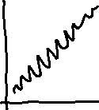

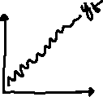

ARIMA Models (set of 4 models) AR - Auto Regression MA - Moving Average ARMA - AutoRegressive and Moving Average ARIMA - AutoRegressive Integrated Moving Average Note: Arima Models can be only applied to stationary data - a data which does not have trend and seasonal component.
Differencing of a time series data can be done by taking lagged version of time series data. Note: Until we get a stationary data, we continue to take a lag. | [
 | ACF plot | PACF plot
AR Model - AR(p) Model Here p - the order of the lag Ie, how many lags should be there in my datatset. This is determined with the help of ACF plot. | It gives us the significant autocorrelation between y Vs all other lagged variables | While computing yt-1 , it removes the effect of all the other variables.

MA Model - MA(q) model
Here with the help of PACF, we will see how many number of variables are significant. Based on that we'll consider taking that many features into the account. Q - lag of the error compoenent. |  | 

ARMA Model(p,q) Combination of AR and MA model.

ARIMA model(p,d,q)
p - periods of lag --> AR d - differencing. Ie, To transform a non-stationary data into a stationary data, how many difference I need to make.--> Integrated Q - periods of lag ->MA. NOTE: ARIMA models can be build using BOX-JENKINS Methodology.

